Hoja2
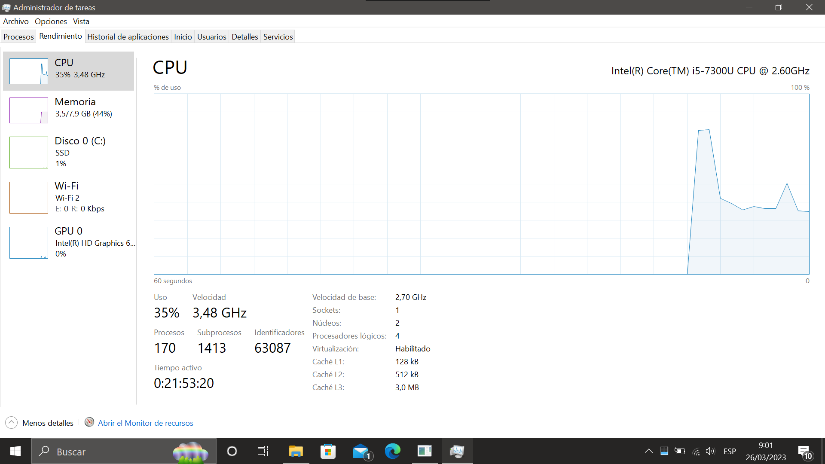
Desempeño en una i5 de Séptima Generación

Suma de Tiempo | Métodos
Población | buble | insertion | merge | quick | selsort | shell | Total general
10000 | 219 | 47 | 0 | 0 | 125 | 0 | 391
20000 | 954 | 171 | 0 | 0 | 469 | 0 | 1594
30000 | 1860 | 282 | 15 | 16 | 1047 | 0 | 3220
40000 | 3125 | 407 | 0 | 16 | 1860 | 0 | 5408
50000 | 3766 | 547 | 15 | 15 | 2891 | 16 | 7250
60000 | 4813 | 672 | 15 | 15 | 4188 | 15 | 9718
70000 | 5734 | 797 | 15 | 15 | 5672 | 16 | 12249
80000 | 7063 | 922 | 31 | 16 | 7907 | 16 | 15955
90000 | 7563 | 1062 | 31 | 31 | 9407 | 16 | 18110
100000 | 8547 | 1203 | 31 | 16 | 11563 | 16 | 21376
110000 | 11282 | 1797 | 47 | 16 | 14626 | 31 | 27799
200000 | 20345 | 2469 | 47 | 47 | 45893 | 47 | 68848
300000 | 27486 | 3750 | 93 | 78 | 102992 | 62 | 134461
400000 | 36611 | 5063 | 125 | 110 | 182789 | 78 | 224776
500000 | 46507 | 6344 | 156 | 141 | 286203 | 109 | 339460
600000 | 55613 | 7641 | 188 | 171 | 413053 | 125 | 476791
700000 | 65132 | 8907 | 219 | 219 | 559641 | 157 | 634275
800000 | 74599 | 10282 | 266 | 265 | 759733 | 172 | 845317
900000 | 84693 | 11548 | 297 | 328 | 935726 | 203 | 1032795
1000000 | 94223 | 12829 | 328 | 391 | 1157903 | 235 | 1265909
Total general | 560135 | 76740 | 1919 | 1906 | 4503688 | 1314 | 5145702

